Assignment 1
Assignment 1: | Display EmployeeID, Employee FirstName and Number Of Orders each employee has placed.

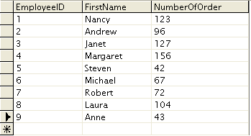

 | Display output as follows. Use Inner Join
 | Use Table : Employees and Orders

Query: | SELECT E.EmployeeID, E.FirstName, COUNT(E.EmployeeID) AS "Number Of Orders" FROM employees AS E INNER JOIN orders AS O ON E.EmployeeID = O.EmployeeID GROUP BY EmployeeID;

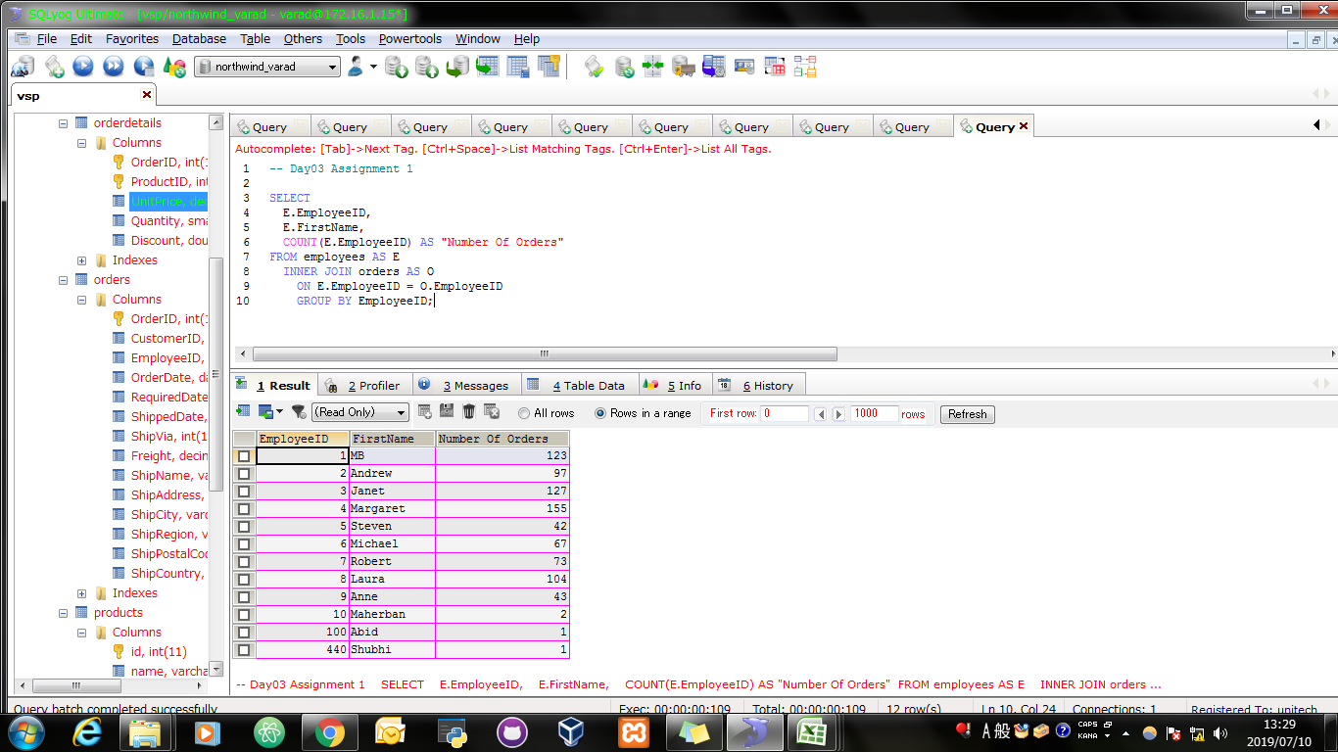
Screen Shoot:

Assignment 2
Assignment 2: | Get all the Orders shipped by Speedy Express and customers at berlin city.

 | User Table : Orders, Customers, Shippers

Query: | SELECT O.OrderID, C.CustomerID, O.EmployeeID, O.OrderDate, O.RequiredDate, O.ShippedDate, O.ShipVia, O.Freight, O.ShipName, O.ShipAddress, O.ShipCity FROM Customers AS C, Orders AS O, Shippers AS S WHERE (C.CustomerID = O.CustomerID AND S.ShipperID = O.ShipVia AND O.ShipCity = "Berlin" AND S.CompanyName = "Speedy Express");

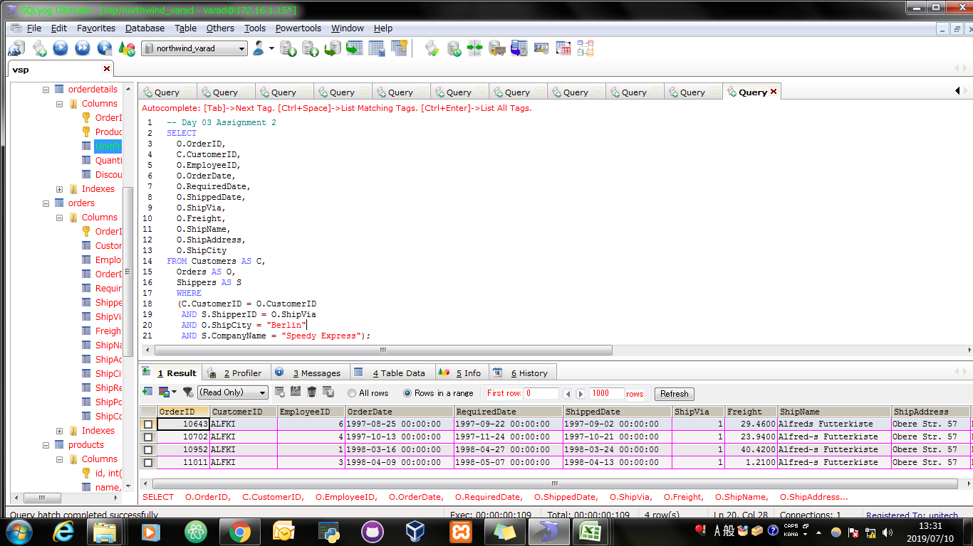
Screen Shoot:

Assignment 3
Assignment 3: | Get Supplier name and display count of product for which supplier is responsible.
 | Table Use : Products, Supplier
 | Use Left Outer Join

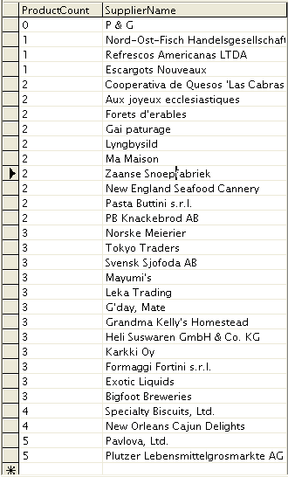

Query: | SELECT COUNT(P.SupplierID) AS "ProductCount", S.CompanyName FROM suppliers AS S LEFT OUTER JOIN Products AS P ON P.SupplierID = S.SupplierID GROUP BY S.CompanyName ORDER BY ProductCount;

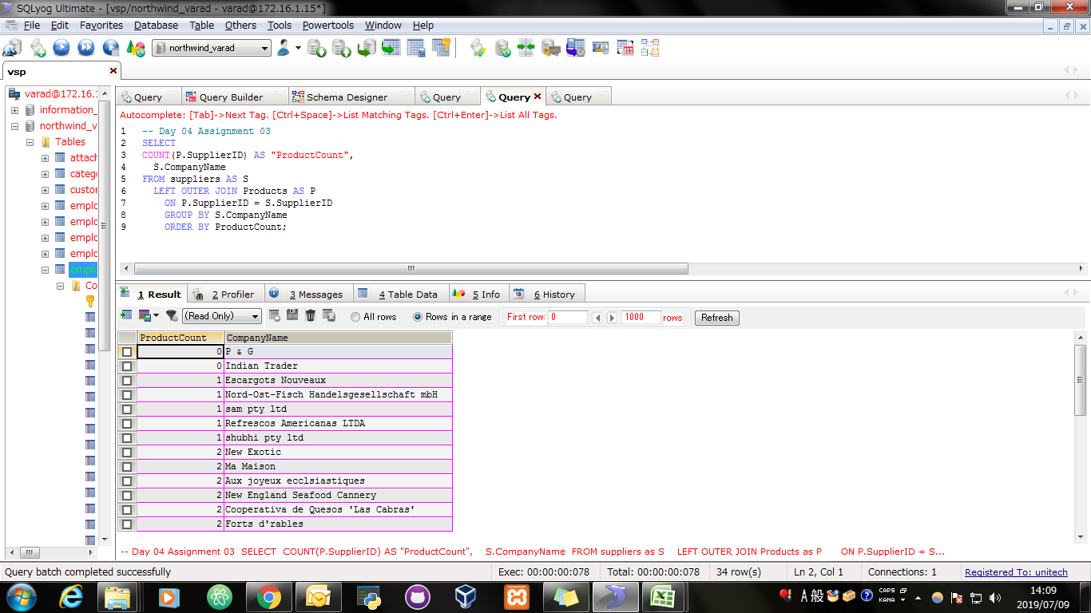
Screen Shoot:

Query: | ALTER TABLE `products` CHANGE `ProductID` `id` INT(11) NOT NULL AUTO_INCREMENT;

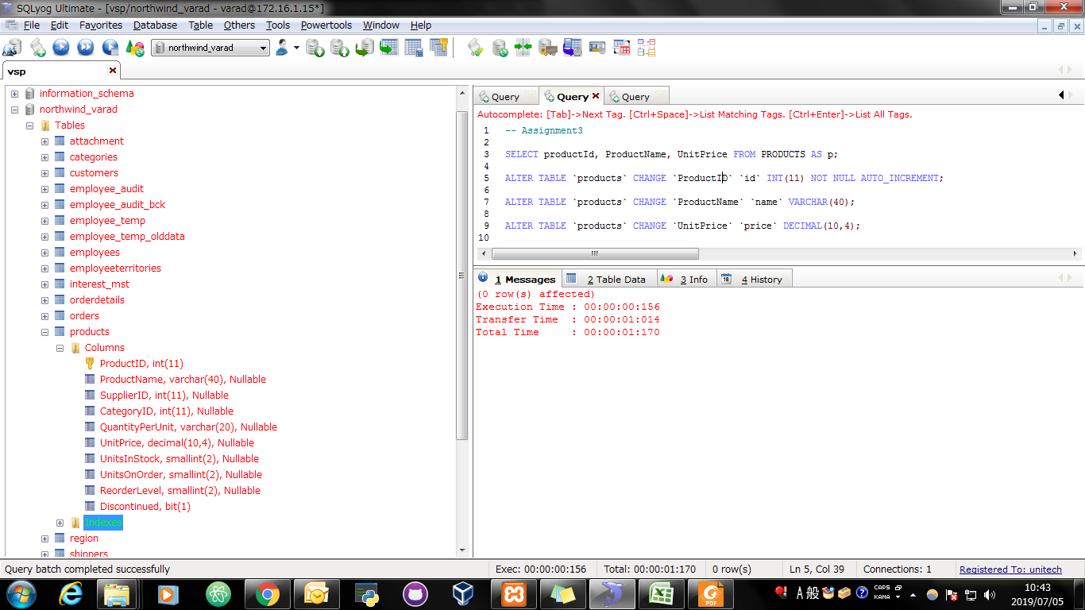
Screen Shoot:

Query: | ALTER TABLE `products` CHANGE `ProductName` `name` VARCHAR(40);

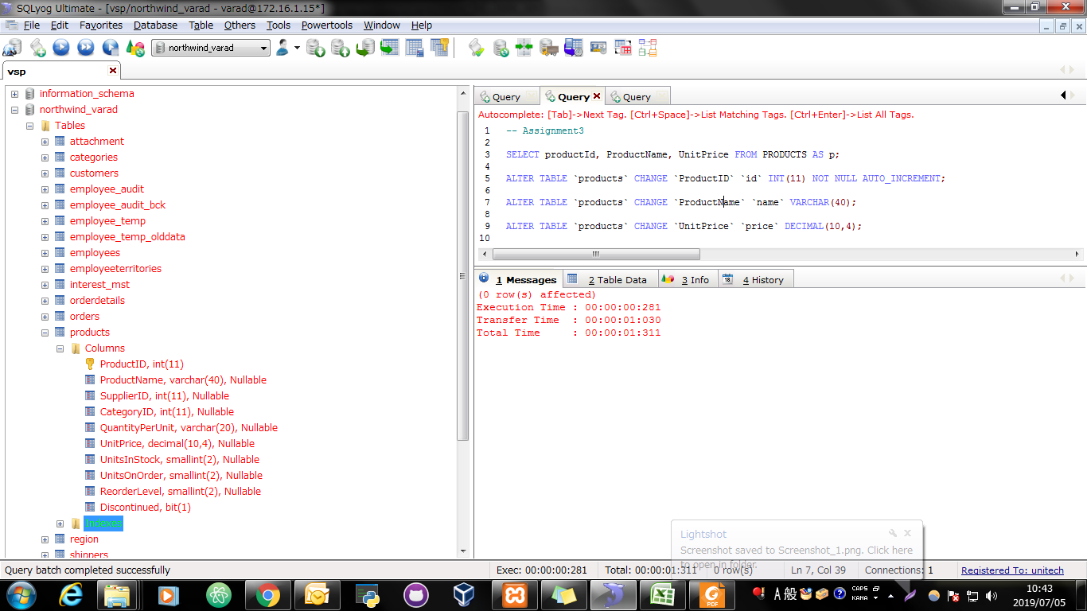
Screen Shoot:

Query: | ALTER TABLE `products` CHANGE `UnitPrice` `price` DECIMAL(10,4);


Screen Shoot:

Assignment 4
Assignment 4: | Retrieve a list of employees and Name of the person that employee is reporting.
 | Display as follows.
 | Use Table : Employees
 | Self Join

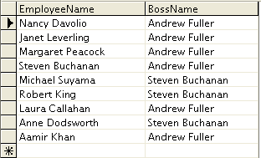

Query: | SELECT CONCAT(E2.FirstName," ",E2.LastName) AS "EmployeeName", CONCAT(E1.FirstName," ",E1.LastName) AS "BossName" FROM employees E1, employees E2 WHERE E1.EmployeeID <> E2.EmployeeID AND E1.EmployeeID = E2.ReportsTo ORDER BY E1.EmployeeID;

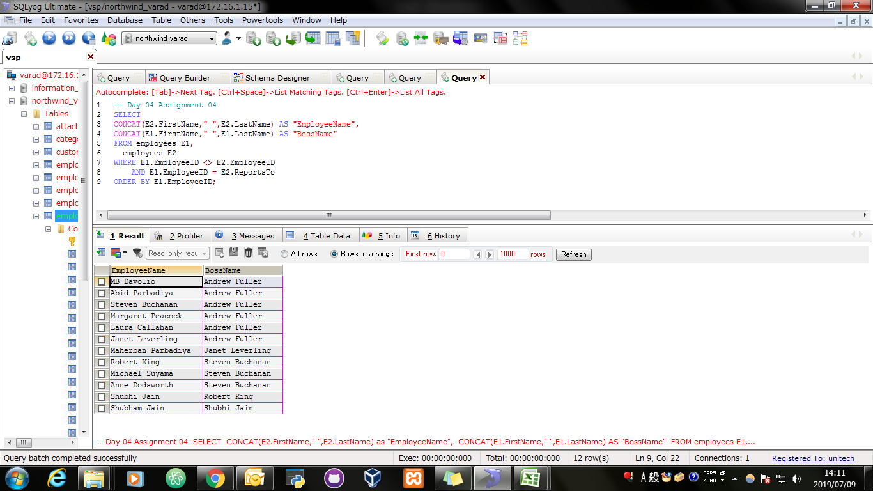
Screen Shoot:

